1.1
Problem 1.1
If Q units are produced per month, then
Monthly Profit = $0 {if Q = 0}
and
–$20,000 + ($20 – $10)Q {if Q > 0}.
Break-even point = $20,000 / ($20 – $10)
= 2000
so it will be profitable to produce if Q > 2000.

1.2
Problem 1.2
a) Let Q be the number of units produced and sold.
Then Monthly Profit = $0 {if Q = 0}, and
–$500,000 + ($35 – $15)Q {if Q > 0}.
Break-even point = $500,000 / ($35 – $15)
= 25,000.
b) Let Q be the number produced, and
s the number that can be sold.
Then Profit = [0 if Q = 0] and
[-$500,000 + $35 * MIN(Q, s) – $15Q if Q > 0].

c)
 | Data |  | Results
Unit Revenue | $35 | Total Revenue | $875,000 | =B15*MIN(B18,B20)
Fixed Cost | $500,000 | Total Fixed Cost | $500,000 | =IF(B20>0,B16,0)
Marginal Cost | $15 | Total Variable Cost | $375,000 | =B17*B20
Sales Forecast | 25,000 | Profit (Loss) | $0 | =E15-(E16+E17)

Production Quantity | 25,000 | Goal Seek Function

d) Q ≤ s.

1.4a,b,c
Problem 1.4
a) | Fixed Cost | $10,000,000
 | Marginal Cost | $1,300
Breakeven Analysis
 | Revenue per Unit | $1,700

 | Quantity | Cost | Revenue | Profit
 | 0 | $10,000,000 | $- | $(10,000,000)
 | 5000 | $16,500,000 | $8,500,000 | $(8,000,000)
 | 10000 | $23,000,000 | $17,000,000 | $(6,000,000)
 | 15000 | $29,500,000 | $25,500,000 | $(4,000,000)
 | 20000 | $36,000,000 | $34,000,000 | $(2,000,000)
 | 25000 | $42,500,000 | $42,500,000 | $-
 | 30000 | $49,000,000 | $51,000,000 | $2,000,000
 | 35000 | 55500000 | 59500000 | 4000000
 | 40000 | 62000000 | 68000000 | 6000000
b) Break-even point = ($10,000,000) / ($1700 – $1300) = 25,000
c) Maximize Profit = $0 {if Q = 0} and
–$10,000,000 + $400Q {if Q > 0}
subject to:
0 ≤ Q ≤ s.

1.5
Problem 1.5
a) Jennifer must decide how much to ship: from each plant (A and B)
to each retail outlet (1 and 2).
Decision Variables: Let x_{ij} = amount to ship from plant i (for i = A, B)
to each retail outlet j (for j = 1, 2)
b) Shipping Cost = $700x_{A1} + $400x_{A2} + $800x_{B1} + $600x_{B2}
c) x_{A1} + x_{A2} = 30
x_{B1} + x_{B2} ≤ 50
x_{A1} + x_{B1} = 40
x_{A2} + x_{B2} ≥ 25
all x_{ij} ≥ 0.
d) Minimize Shipping Cost = $700x_{A1} + $400x_{A2} + $800x_{B1} + $600x_{B2}
subject to: x_{A1} + x_{A2} = 30 x_{B1} + x_{B2} ≤ 500 x_{A1} + x_{B1} = 40 x_{A2} + x_{B2} ≥ 25 all x_{ij} ≥ 0

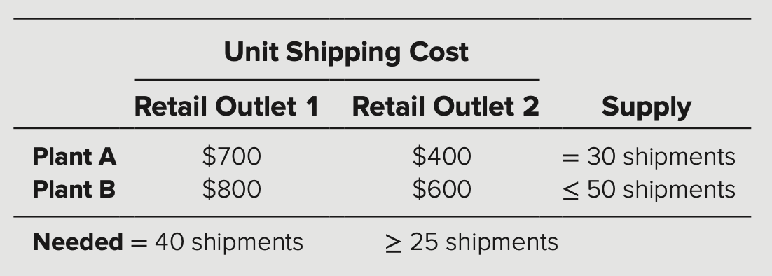

e)

 | Data | Outlet 1 | Outlet 2 | Supply
 | Plant A | $700.00 | $400.00 | 30
 | Plant B | $800.00 | $600.00 | 50
 | Demand | 40 | 25

 | Model | Outlet 1 | Outlet 2 | Shipped
 | Plant A | 5 | 25 | 30
 | Plant B | 35 | 0 | 35
 | Shipped To | 40 | 25

 | Total Cost | $41,500.00

Case 1-1
Case 1-1 Keeping Time

a & b) |  | Data |  |  | Results | Range Name | Cell
 | Unit Revenue | $4,500 |  | Total Revenue | $450,000 | BreakEvenPoint | F9
 | Fixed Cost | $250,000 |  | Total Fixed Cost | $250,000 | FixedCost | C5
 | Marginal Cost | $2,000 |  | Total Variable Cost | $200,000 | MarginalCost | C6
 | Sales Forecast | ? |  | Profit (Loss) | $0 | ProductionQuantity | C9
 |  |  |  |  |  | Profit | F7
 | Production Quantity | 100 |  | Break-Even Point | 100 | SalesForecast | C7
 |  |  |  |  |  | TotalFixedCost | F5
c) Total Profit = 0 {if Q = 0}
and
-$250,000 + $4500 * MIN(Q, s) – $2000 * Q {if Q > 0}
 |  |  |  |  |  | TotalRevenue | F4
 |  |  |  |  |  | TotalVariableCost | F6
 |  |  |  |  |  | UnitRevenue | C4

Cost = 250k + 2000Q
Revenue = 4500Q
Breakeven Point = 100
d) | Quantity | Cost | Revenue | Profit
 | 0 | $250,000 | $- | $(250,000)
 | 20 | $290,000 | $90,000 | $(200,000)
 | 40 | $330,000 | $180,000 | $(150,000)
 | 60 | $370,000 | $270,000 | $(100,000)
 | 80 | $410,000 | $360,000 | $(50,000)
 | 100 | $450,000 | $450,000 | $-
 | 120 | $490,000 | $540,000 | $50,000
 | 140 | $530,000 | $630,000 | $100,000
 | 160 | $570,000 | $720,000 | $150,000

e) Break-even point = $250,000 / ($4500 – $2000) = 100
profitable to produce if Q > 100.

f) The fixed cost of designing and setting up the production facility can be as high as $750,000 before it becomes unprofitable to produce the clocks.

 |  | Data |  |  | Results
 | Unit Revenue | $4,500 |  | Total Revenue | $0
 | Fixed Cost | $750,000 |  | Total Fixed Cost | $0
 | Marginal Cost | $2,000 |  | Total Variable Cost | $0
 | Sales Forecast | 300 |  | Profit (Loss) | $0

 | Production Quantity | 0 |  | Break-Even Point | 300
 |  | =IF(C39>F41,C39,0)

g) The unit production cost (marginal cost) can be as high as $3,666.67 before it becomes unprofitable to produce the clocks.

 |  | Data |  |  | Results
 | Unit Revenue | $4,500 |  | Total Revenue | $0
 | Fixed Cost | $250,000 |  | Total Fixed Cost | $0
 | Marginal Cost | $3,667 |  | Total Variable Cost | $0
 | Sales Forecast | 300 |  | Profit (Loss) | $0

 | Production Quantity | 0 |  | Break-Even Point | 300
 |  | =IF(C51>F53,C51,0)
h) If the design and setup cost were 50% higher ($375,000) and the production cost were 50% higher ($3000), then the break-even point would be 250. With a sales forecast of 300, it would still be profitable to produce the clocks.

 |  | Data |  |  | Results
 | Unit Revenue | $4,500 |  | Total Revenue | $1,350,000
 | Fixed Cost | $375,000 |  | Total Fixed Cost | $375,000
 | Marginal Cost | $3,000 |  | Total Variable Cost | $900,000
 | Sales Forecast | 300 |  | Profit (Loss) | $75,000

 | Production Quantity | 300 |  | Break-Even Point | 250
 |  | =IF(C64>F66,C64,0)
i) The selling price can be as low as $2833 and it would still be profitable to produce the clocks.

 |  | Data |  |  | Results
 | Unit Revenue | $2,833 |  | Total Revenue | $0
 | Fixed Cost | $250,000 |  | Total Fixed Cost | $0
 | Marginal Cost | $2,000 |  | Total Variable Cost | $0
 | Sales Forecast | 300 |  | Profit (Loss) | $0

 | Production Quantity | 0 |  | Break-Even Point | 300
 |  | =IF(C75>F77,C75,0)
j) Now suppose that 300 grandfather clocks are produced but only 200 are sold.
Profit = $4500 * (200) - $2000 * $300 - $250,000 = $50,000. Yes it would still be profitable.

 |  | Data |  |  | Results
 | Unit Revenue | $4,500 |  | Total Revenue | $900,000
 | Fixed Cost | $250,000 |  | Total Fixed Cost | $250,000
 | Marginal Cost | $2,000 |  | Total Variable Cost | $600,000
 | Sales Forecast | 200 |  | Profit (Loss) | $50,000

 | Production Quantity | 300 |  | Break-Even Point | 100
 |  | No Formula

